Sample
Ultrasonic Thickness Measurement Data Sheet

Plant name |  |  |  | LOTTE CHEMICAL TITAN (M) SDN. BHD. |  |  |  |  |  |  |  |  |  |  |  |  |  |  | Date of inspection |  |  |  |  |  | 15-Feb-21
Equipment number |  |  |  | TK-5120D |  |  |  |  |  |  |  |  |  |  |  |  |  |  | Place of inspection |  |  |  |  |  | NC1
Equipment name |  |  |  | Propylene Product Intermediate Tank |  |  |  |  |  |  |  |  |  |  |  |  |  |  | Report No |  |  |  |  |  | CE-21-UTTG-LOTTE-TK5120D-051
Drawing number |  |  |  | - |  |  |  |  |  |  |  |  |  |  |  |  |  |  | Applicable laws |  |  |  |  |  | DOSH
Material |  |  |  | Carbon Steel |  |  |  |  |  |  |  |  |  |  |  |  |  |  | Applicable standards |  |  |  |  |  | ASME Sec. V Article 23 SE-797
Time of inspection |  |  |  | ■ | Maintenance |  |  |  |  | □ | After edge preparation |  |  |  |  |  | □ | After welding |  |  |  |  |  |  | □ | After PWHT |  |  |  | □ | After pressure test
Surface condition |  |  |  | □ | Coated |  |  |  |  | ■ | Uncoated |  |  |  |  |  | □ | Grinder |  |  |  |  |  |  | □ | Sandblast |  |  |  | □ | Substrate surface
Instrument name |  |  |  | Model |  |  |  | ANYSCAN-30 (AA301BHA002) |  |  |  |  |  |  |  |  |  |  |  |  | Manufacturer |  |  |  |  |  | DOPPLER
Probe |  |  |  | Model |  |  |  | DA 301 56904 (S/N:53961) |  |  |  |  |  |  |  |  |  |  |  |  | Manufacturer |  |  |  |  |  | DOPPLER
 |  |  |  | Frequency |  |  |  | 5 MHz |  |  |  |  |  |  |  |  |  |  |  |  | Dimensions |  |  |  |  |  | 10 MM
Contact medium |  |  |  | □ | Glycerin |  |  |  |  |  | □ | Machine oil |  |  |  |  | □ | Water |  |  |  |  |  | ■ | Wallpaper paste
Test piece for comparison |  |  |  | Thickness (STEP WEDGE) |  |  |  |  | □ | 5, 10, 15, 20, 20 |  |  |  |  |  |  |  |  |  |  | Material |  |  |  |  |  | ■ | Carbon Steel |  |  | □ | Stainless Steel
 |  |  |  |  |  |  |  |  | ■ | 15, 20, 25, 30, 35, 100 |  |  |  |  |  |  |  |  |  |  |  |  |  |  |  |  | □ | Carbon Steel |  |  | □ | Stainless Steel
Drawings:
Refer Attached Drawings for Location of tested

Point of measurement
 | Point No. | Location Descrp. |  | Nominal Thick. |  | Thickness Measured (mm)

 |  |  |  |  |  | 0° | 22.5° |  | 45° |  | 67.5° |  | 90° | 112.5° | 135° | 157.75° |  | 180° |  | 202.5° |  | 225° |  | 247.5° |  | 270° |  | 292.5° | 315° | 337.5°
 | H1 | Equator plate |  | 35.50 |  | 35.55
 | H2 | Equator plate |  | 35.50 |  | 36.03
 | H3 | Equator plate |  | 35.50 |  | 35.78
 | I1 | Equator plate |  | 35.50 |  |  | 35.30
 | I2 | Equator plate |  | 35.50 |  |  | 35.30
 | I3 | Equator plate |  | 35.50 |  |  | 35.26
 | J1 | Equator plate |  | 35.50 |  |  |  |  | 36.10
 | J2 | Equator plate |  | 35.50 |  |  |  |  | 35.99
 | J3 | Equator plate |  | 35.50 |  |  |  |  | 35.99
 | K1 | Equator plate |  | 35.50 |  |  |  |  |  |  | 35.78
 | K2 | Equator plate |  | 35.50 |  |  |  |  |  |  | 35.60
 | K3 | Equator plate |  | 35.50 |  |  |  |  |  |  | 35.92
 | L1 | Equator plate |  | 35.50 |  |  |  |  |  |  |  |  | 36.18
 | L2 | Equator plate |  | 35.50 |  |  |  |  |  |  |  |  | 36.13
 | L3 | Equator plate |  | 35.50 |  |  |  |  |  |  |  |  | 35.79

Prepared By: |  |  |  |  |  |  |  |  |  |  |  |  |  |  |  |  |  |  | Reviewed By:
Company |  |  | CARBON ENERGY INSEPCTION SDN BHD |  |  |  |  |  |  |  |  |  |  |  |  |  |  |  | Company |  |  |  | LOTTE CHEMICAL TITAN (M) SDN BHD
Name |  |  | MAX ADDELLY |  |  |  |  |  |  |  |  |  |  |  |  |  |  |  | Name |  |  |  | MUHAMMAD AUF ASYRAF BIN RAHMAT
Date |  |  | 20-Feb-2021 |  |  |  |  |  |  |  |  |  |  |  |  |  |  |  | Date
Qualification |  |  | SF-CE-UTG/L2/001 |  |  |  |  |  |  |  |  |  |  |  |  |  |  |  | Designation |  |  |  | LCTM Reliability

SHELL 1
Ultrasonic Thickness Measurement Data Sheet

Plant name |  |  | LOTTE CHEMICAL TITAN (M) SDN. BHD. |  |  |  |  |  |  |  |  |  | Date of inspection |  |  | 15-Feb-21
Equipment number |  |  | TK-5120D |  |  |  |  |  |  |  |  |  | Place of inspection |  |  | NC1
Equipment name |  |  | Propylene Product Intermediate Tank |  |  |  |  |  |  |  |  |  | Report No |  |  | CE-21-UTTG-LOTTE-TK5120D-051
Point of measurement
 | Point No. | Location Descrp. | Nominal Thick. | Thickness Measured (mm)

 |  |  |  | 0° | 22.5° | 45° | 67.5° | 90° | 112.5° | 135° | 157.75° | 180° |  | 202.5° | 225° | 247.5° | 270° | 292.5° | 315° | 337.5°
 | M1 | EquatorPlate | 35.50 |  |  |  |  |  | 35.71
 | M2 | EquatorPlate | 35.50 |  |  |  |  |  | 35.55
 | M3 | EquatorPlate | 35.50 |  |  |  |  |  | 35.81
 | N1 | EquatorPlate | 35.50 |  |  |  |  |  |  | 35.60
 | N2 | EquatorPlate | 35.50 |  |  |  |  |  |  | 36.04
 | N3 | EquatorPlate | 35.50 |  |  |  |  |  |  | 35.89
 | O1 | EquatorPlate | 35.50 |  |  |  |  |  |  |  | 35.51
 | O2 | EquatorPlate | 35.50 |  |  |  |  |  |  |  | 35.60
 | O3 | EquatorPlate | 35.50 |  |  |  |  |  |  |  | 35.55
 | P1 | EquatorPlate | 35.50 |  |  |  |  |  |  |  |  | 35.49
 | P2 | EquatorPlate | 35.50 |  |  |  |  |  |  |  |  | 35.90
 | P3 | EquatorPlate | 35.50 |  |  |  |  |  |  |  |  | 35.87
 | Q1 | EquatorPlate | 35.50 |  |  |  |  |  |  |  |  |  |  | 35.65
 | Q2 | EquatorPlate | 35.50 |  |  |  |  |  |  |  |  |  |  | 35.87
 | Q3 | EquatorPlate | 35.50 |  |  |  |  |  |  |  |  |  |  | 35.88
 | R1 | EquatorPlate | 35.50 |  |  |  |  |  |  |  |  |  |  |  | 35.49
 | R2 | EquatorPlate | 35.50 |  |  |  |  |  |  |  |  |  |  |  | 35.37
 | R3 | EquatorPlate | 35.50 |  |  |  |  |  |  |  |  |  |  |  | 35.97
 | S1 | EquatorPlate | 35.50 |  |  |  |  |  |  |  |  |  |  |  |  | 35.65
 | S2 | EquatorPlate | 35.50 |  |  |  |  |  |  |  |  |  |  |  |  | 35.87
 | S3 | EquatorPlate | 35.50 |  |  |  |  |  |  |  |  |  |  |  |  | 35.75
 | T1 | EquatorPlate | 35.50 |  |  |  |  |  |  |  |  |  |  |  |  |  | 35.44
 | T2 | EquatorPlate | 35.50 |  |  |  |  |  |  |  |  |  |  |  |  |  | 35.81
 | T3 | EquatorPlate | 35.50 |  |  |  |  |  |  |  |  |  |  |  |  |  | 35.92
 | U1 | EquatorPlate | 35.50 |  |  |  |  |  |  |  |  |  |  |  |  |  |  | 35.62
 | U2 | EquatorPlate | 35.50 |  |  |  |  |  |  |  |  |  |  |  |  |  |  | 35.81
 | U3 | EquatorPlate | 35.50 |  |  |  |  |  |  |  |  |  |  |  |  |  |  | 35.68
 | V1 | EquatorPlate | 35.50 |  |  |  |  |  |  |  |  |  |  |  |  |  |  |  | 35.69
 | V2 | EquatorPlate | 35.50 |  |  |  |  |  |  |  |  |  |  |  |  |  |  |  | 35.88
 | V3 | EquatorPlate | 35.50 |  |  |  |  |  |  |  |  |  |  |  |  |  |  |  | 35.53

SHELL 1 (2)
Ultrasonic Thickness Measurement Data Sheet

Plant name |  |  | LOTTE CHEMICAL TITAN (M) SDN. BHD. |  |  |  |  |  |  |  |  |  | Date of inspection |  |  | 15-Feb-21
Equipment number |  |  | TK-5120D |  |  |  |  |  |  |  |  |  | Place of inspection |  |  | NC1
Equipment name |  |  | Propylene Product Intermediate Tank |  |  |  |  |  |  |  |  |  | Report No |  |  | CE-21-UTTG-LOTTE-TK5120D-051
Point of measurement
 | Point No. | Location Descrp. | Nominal Thick. | Thickness Measured (mm)

 |  |  |  | 0° | 22.5° | 45° | 67.5° | 90° | 112.5° | 135° | 157.75° | 180° |  | 202.5° | 225° | 247.5° | 270° | 292.5° | 315° | 337.5°
 | W1 | EquatorPlate | 35.50 |  |  |  |  |  |  |  |  |  |  |  |  |  |  |  |  | 35.55
 | W2 | EquatorPlate | 35.50 |  |  |  |  |  |  |  |  |  |  |  |  |  |  |  |  | 35.80
 | W3 | EquatorPlate | 35.50 |  |  |  |  |  |  |  |  |  |  |  |  |  |  |  |  | 35.90

SHELL 1 (3)
Ultrasonic Thickness Measurement Data Sheet

Plant name |  |  | LOTTE CHEMICAL TITAN (M) SDN. BHD. |  |  |  |  |  |  |  | Date of inspection | 15-Feb-21
Equipment number |  |  | TK-5120D |  |  |  |  |  |  |  | Place of inspection | NC1
Equipment name |  |  | Propylene Product Intermediate Tank |  |  |  |  |  |  |  | Report No | CE-21-UTTG-LOTTE-TK5120D-051
Point of measurement
 | Point No. | Location Descrp. |  | Nominal Thick. | Thickness Measured (mm)

 |  |  |  |  | N | S | E | W | T | B
 | A1 | Bottom Pole Plate |  | 35.50 |  |  |  |  |  | 35.95
 | A2 | Bottom Pole Plate |  | 35.50 |  |  |  |  |  | 35.80
 | A3 | Bottom Pole Plate |  | 35.50 |  |  |  |  |  | 35.75
 | B1 | Bottom Pole Plate |  | 35.50 |  |  |  |  |  | 36.23
 | B2 | Bottom Pole Plate |  | 35.50 |  |  |  |  |  | 35.49
 | B3 | Bottom Pole Plate |  | 35.50 |  |  |  |  |  | 35.64
 | C1 | Bottom Pole Plate |  | 35.50 |  |  |  |  |  | 35.95
 | C2 | Bottom Pole Plate |  | 35.50 |  |  |  |  |  | 35.74
 | C3 | Bottom Pole Plate |  | 35.50 |  |  |  |  |  | 35.47
 | D1 | Bottom Pole Plate |  | 35.50 | 35.68
 | D2 | Bottom Pole Plate |  | 35.50 | 35.85
 | D3 | Bottom Pole Plate |  | 35.50 | 35.30
 | E1 | Bottom Pole Plate |  | 35.50 |  |  | 35.91
 | E2 | Bottom Pole Plate |  | 35.50 |  |  | 35.78
 | E3 | Bottom Pole Plate |  | 35.50 |  |  | 36.03
 | F1 | Bottom Pole Plate |  | 35.50 |  | 35.50
 | F2 | Bottom Pole Plate |  | 35.50 |  | 35.80
 | F3 | Bottom Pole Plate |  | 35.50 |  | 35.89
 | G1 | Bottom Pole Plate |  | 35.50 |  |  |  | 36.08
 | G2 | Bottom Pole Plate |  | 35.50 |  |  |  | 35.84
 | G3 | Bottom Pole Plate |  | 35.50 |  |  |  | 35.99

SHELL 1 (4)
Ultrasonic Thickness Measurement Data Sheet

Plant name |  |  | LOTTE CHEMICAL TITAN (M) SDN. BHD. |  |  |  |  |  |  |  | Date of inspection | 15-Feb-21
Equipment number |  |  | TK-5120D |  |  |  |  |  |  |  | Place of inspection | NC1
Equipment name |  |  | Propylene Product Intermediate Tank |  |  |  |  |  |  |  | Report No | CE-21-UTTG-LOTTE-TK5120D-051
Point of measurement
 | Point No. | Location Descrp. |  | Nominal Thick. | Thickness Measured (mm)

 |  |  |  |  | N | S | E | W | T | B
 | AA1 | Top Pole Plate |  | 34.50 |  |  |  |  |  | 35.1
 | AA2 | Top Pole Plate |  | 34.50 |  |  |  |  |  | 34.1
 | AA3 | Top Pole Plate |  | 34.50 |  |  |  |  |  | 34.88
 | BB1 | Top Pole Plate |  | 34.50 |  |  |  |  |  | 34.88
 | BB2 | Top Pole Plate |  | 34.50 |  |  |  |  |  | 34.9
 | BB3 | Top Pole Plate |  | 34.50 |  |  |  |  |  | 34.07
 | CC1 | Top Pole Plate |  | 34.50 |  |  |  |  |  | 35.03
 | CC2 | Top Pole Plate |  | 34.50 |  |  |  |  |  | 34.9
 | CC3 | Top Pole Plate |  | 34.50 |  |  |  |  |  | 34.65
 | DD1 | Top Crown Plate |  | 34.50 | 35.1
 | DD2 | Top Crown Plate |  | 34.50 | 35.1
 | DD3 | Top Crown Plate |  | 34.50 | 35.22
 | EE1 | Top Crown Plate |  | 34.50 |  |  | 35.34
 | EE2 | Top Crown Plate |  | 34.50 |  |  | 35.03
 | EE3 | Top Crown Plate |  | 34.50 |  |  | 34.64
 | FF1 | Top Crown Plate |  | 34.50 |  | 35.37
 | FF2 | Top Crown Plate |  | 34.50 |  | 34.77
 | FF3 | Top Crown Plate |  | 34.50 |  | 35.03
 | GG1 | Top Crown Plate |  | 34.50 |  |  |  | 34.94
 | GG2 | Top Crown Plate |  | 34.50 |  |  |  | 34.68
 | GG3 | Top Crown Plate |  | 34.50 |  |  |  | 34.84

Sheet2
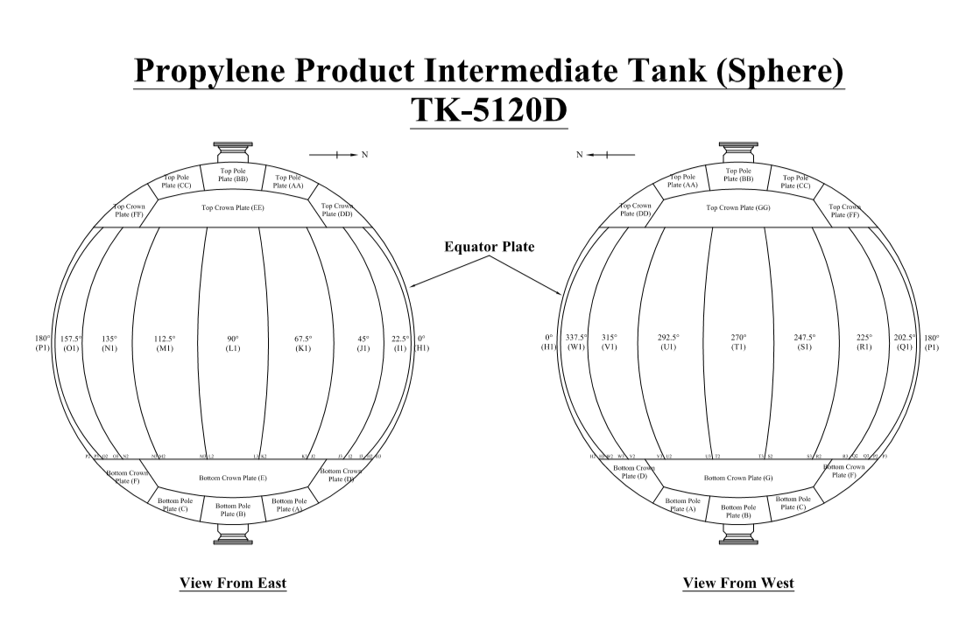

TK-5130B

Sheet2 (2)
